Sheet1
China,Yunnan | 0.21~0.36¥ per kWh | Data source: The blue part has a Hyperlink
China,Xinjiang | 0.33¥ per kWh
China,Sichuan,Xichang | 0.21~0.39 ¥ per kWh
China,Sichuan,Leshan | 0.23~0.34 ¥ per kWh
China,Sichuan | 0.25~0.38 ¥ per kWh
China,Sichuan | 0.25~0.42 ¥ per kWh
Russia | 0.23 ¥ per kWh
Russia,Irkutsk | 0.3 ¥ per kWh
Iceland | 0.27 ¥ per kWh
Iran,Kerman | 0.23 ¥ per kWh
Iran,Rafsanjan | 0.185~0.245 ¥ per kWh
Canada | https://www.cbc.ca/news/canada/sudbury/mining-energy-prices-consultation-1.5124293

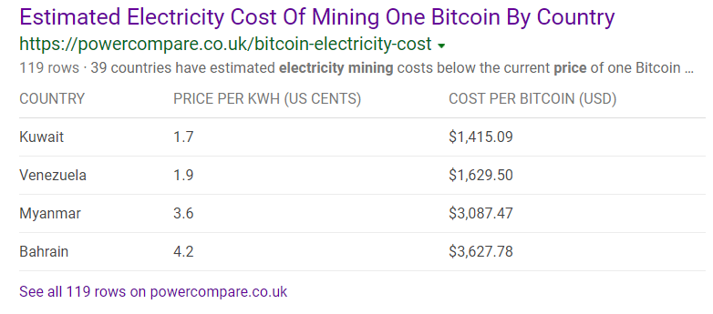
https://powercompare.co.uk/bitcoin-electricity-cost

